Curtailment curve fit
Final parameters
1.5813127064 |  | 0.016570699682
1.857123179 |  | 0.021533031495
2.8192735371 |  | 0.02462953853
3.1343084161 |  | 0.030819079493
2.775770058 |  | 0.031126397173
3.1130597057 |  | 0.04435199214
4.18329 |  | 0.076686171476
zero | 0.07606946618
first | -0.0344
second | 0.0098
third | 0

Calibration of intercept term (additional) | 0.02756946618
Intercept term in second order polynomial | 0.0485

Thermal peaker plants
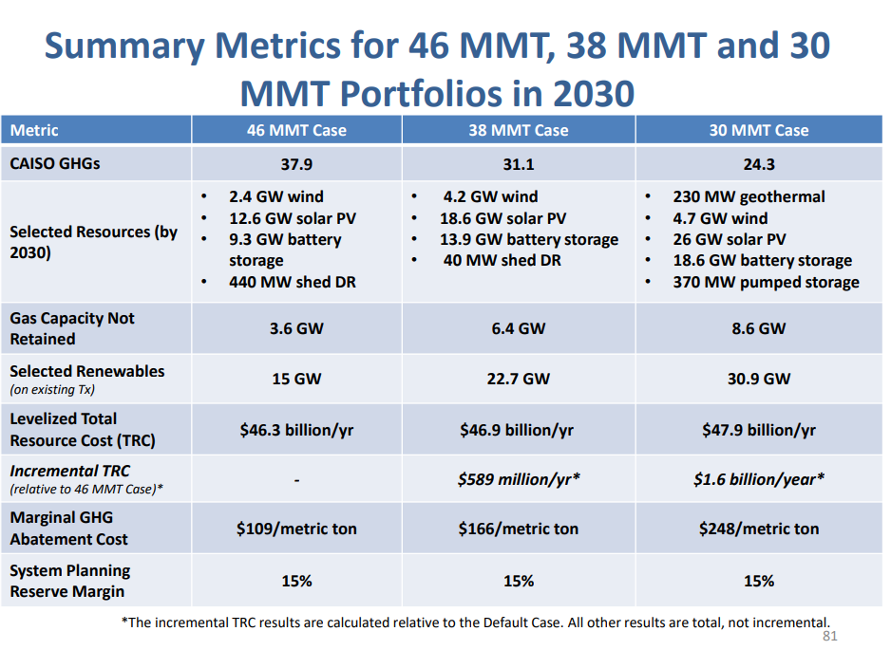
Peaker plant
Natural gas (and petroleum) peaker plants provide an existing source of flexibility.
Each MW of natural gas peaker capacity is defined as providing one flexibility point, and other sources.

 | Flexibility points provided
Peaker plant (natural gas / petroleum) | 1

Pumped hydro assumed equal | 1

The preceding slide refers to the "ELCC" of batteries. This refers to the fact that additional battery storage contributes to
flexibility/resource adequacy differently depending on the system context.

The EPS model structure does not currently allow for varying flexibility point provision. Battery storage is treated as equivalent, for flexibility.

 | Flexbility points provided
Battery storage | 1

The curtailment equation is parameterized such that the Energy Innovation scenario produces the "proper"
(proper in the sense of reflecting the latest IRP modeling) curtailment as a function of additional storage.

The overall resource adequacy requirement is handled by in effect imported the reliability requirements indicated by RESOLVE.
See the BAU Grid Battery Storage folder (BGrBSC) for more about storage

Pumped hydro
Pumped hydro provide system flexibility.
However, two factors lead to its value being defined as zero for this exercise.

1) Pumped hydro is not selected as part of the optimal mix in the IRP modeling.
2) The EPS does not allow users to add pumped hydro capacity.

 | Flexibility points
Pumped hydro | 0

The next slide introduces the concept of the variable value of storage, and following excerpts provide more key
background information.

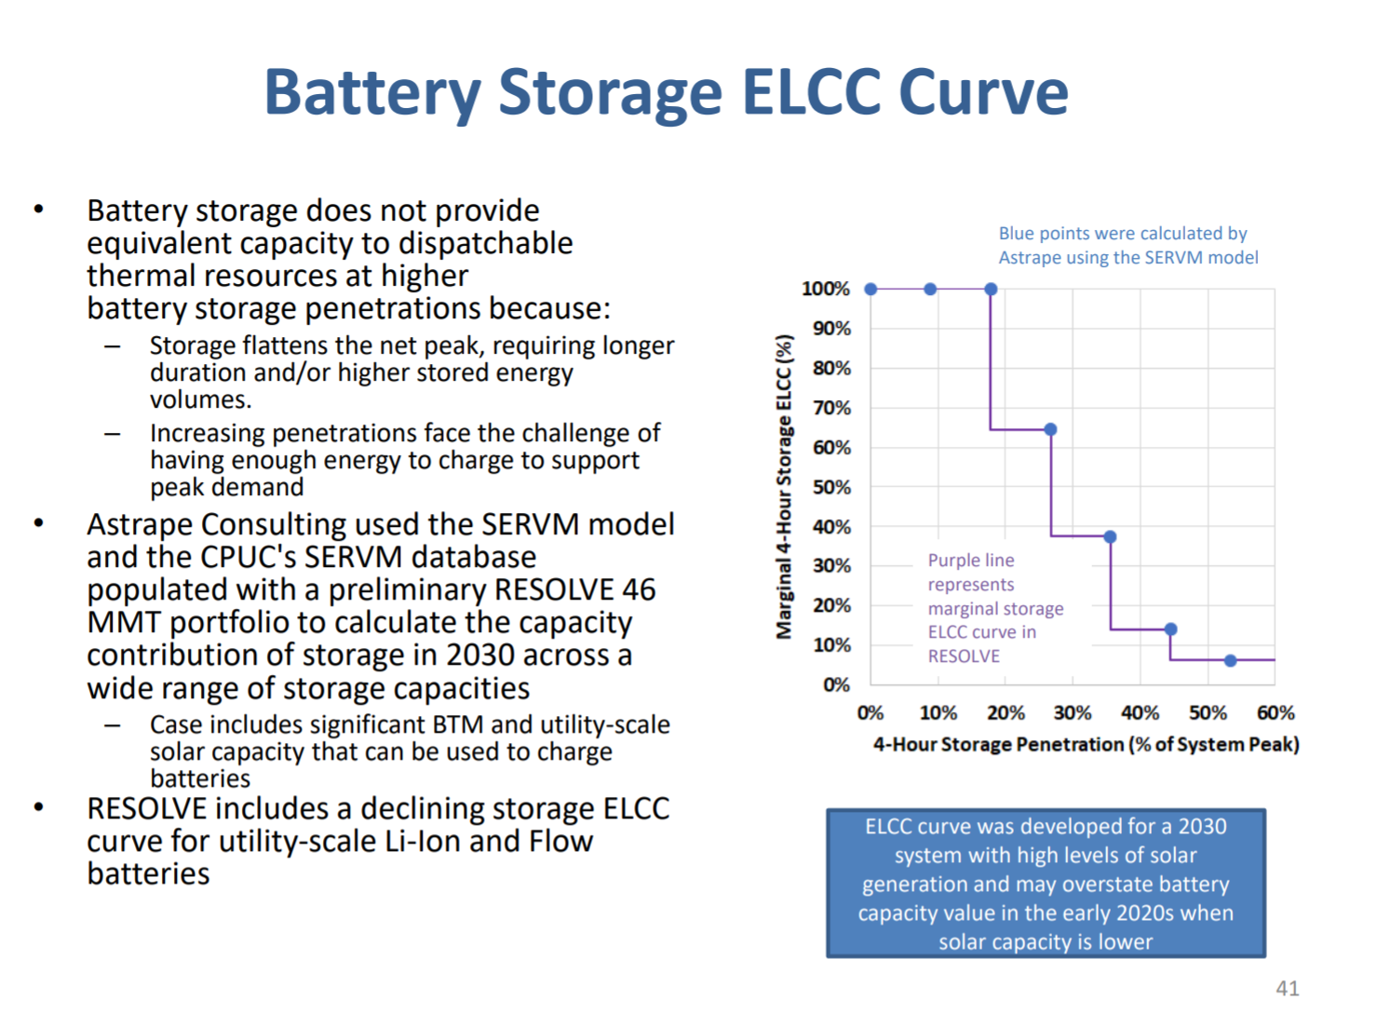

Per the following slide:
"Batteries + solar is an untested reliability paradigm and the combined capacity contribution of these resources has significant uncertainty."

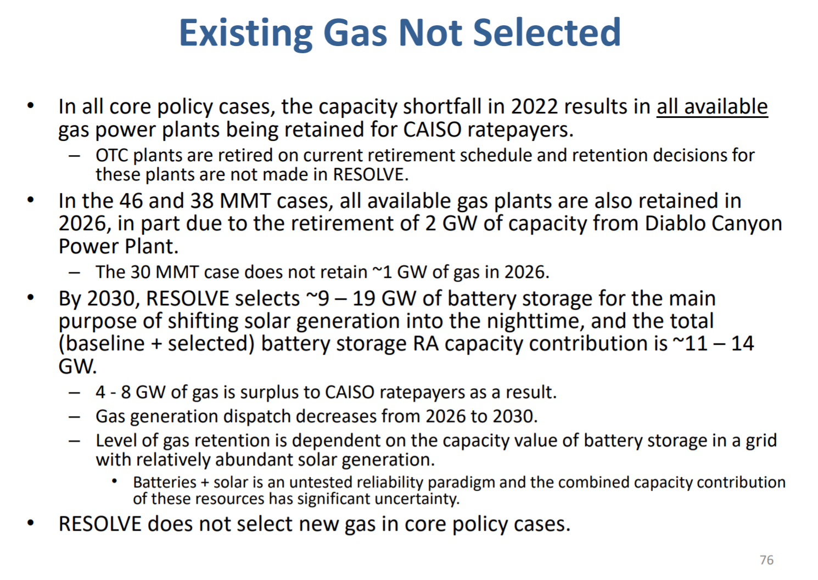

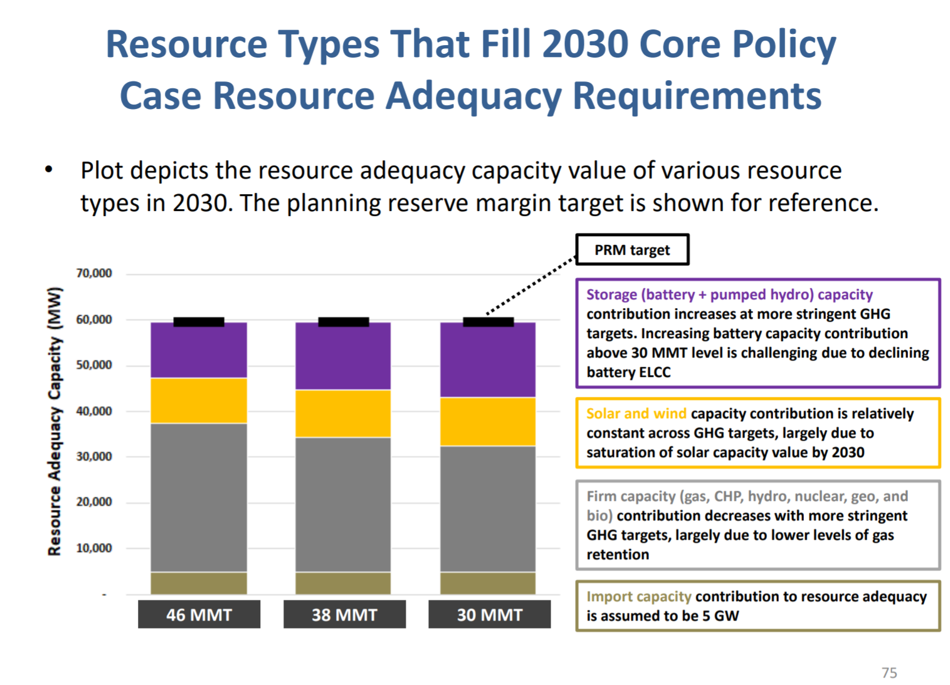

2030 solar added at 38 MMT GHG limit.
Short cut method to calculating additional solar in 38 MMT case

Treat solar PV rooftop and distributed storage as behind the meter. Focus on system renewables.

additional solar in 38 MMT case |  | 6000 | MW of capacity added

Battery storage
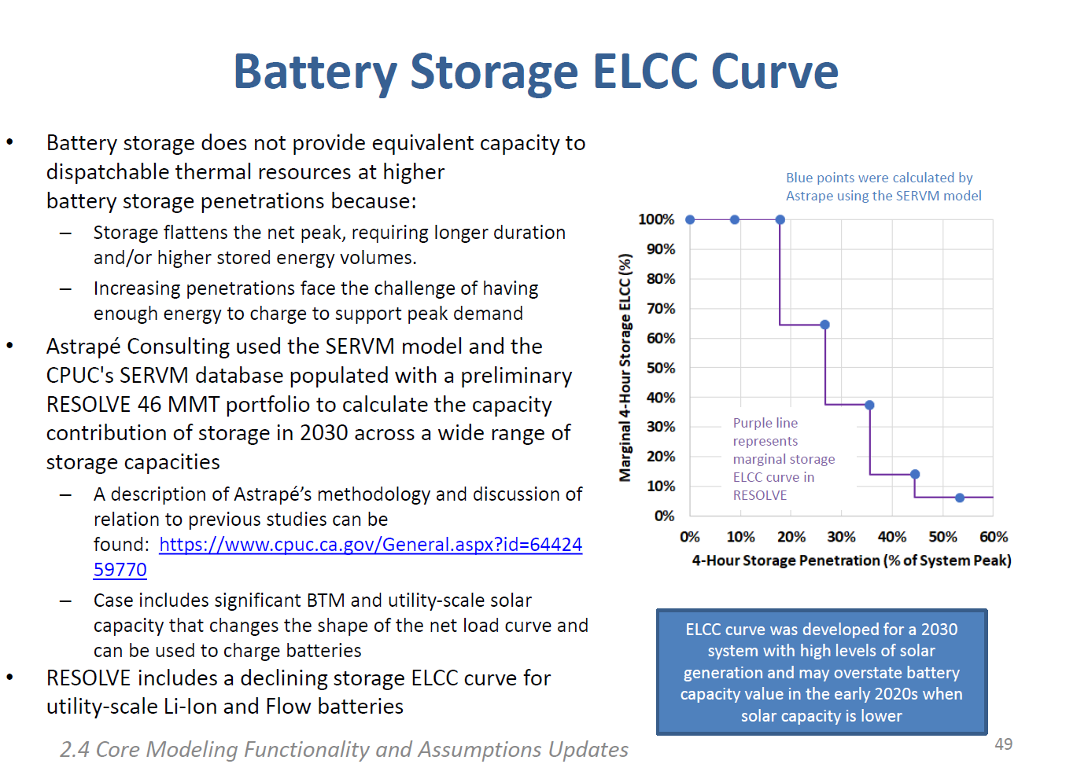
Marginal 4-Hour Storage ELCC (%) in 2030 is estimated as |  |  |  |  | 0.5

This value is selected as an a rough mid-point between the values desired in the 46 MMT and 38 MMT scenarios.
Remainder of this sheet reviews the ELCC values in the 46 MMT and 38 MMT scenarios.

ELCC value is 65% in 46 MMT sceanario

staff presentation 11/6/2019, Slide 84, as shown below, states:
– In BAU, i.e. at 46 MMT, Marginal ELCC of 4-hour Li-Ion batteries in 2030 is 65%

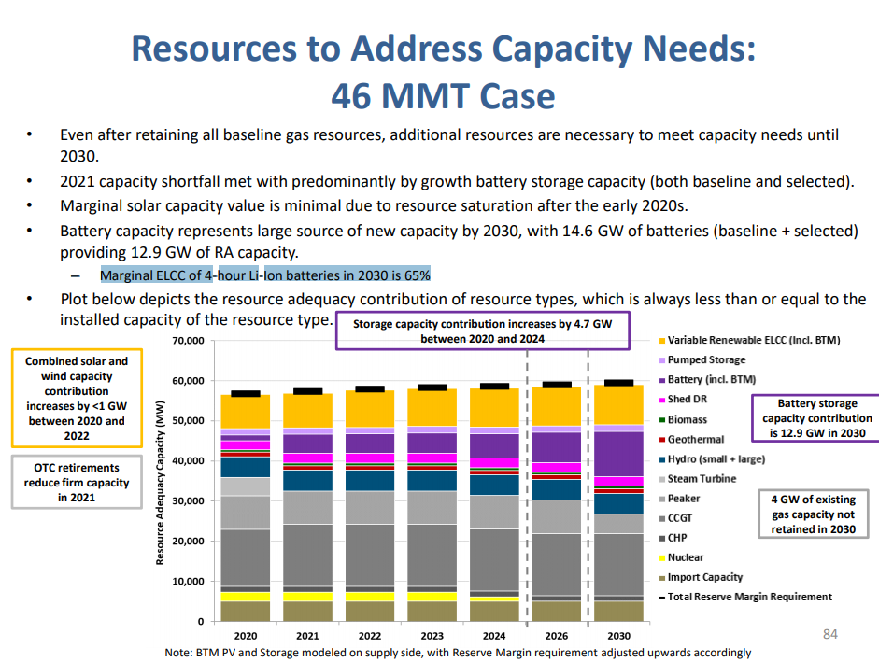

ELCC value in 38 MMT sceanario below 40%
"RESOLVE Output Viewer," Scenario Comparison tab
Shows % of system peak from battery storage increases in 38 MMT vs. 46 MMT as below

% of peak load from battery storage

 |  | 46 MTM
 | Unit | 2030 | 2030 | 2030
 |  | 30 MMT | 38 MMT | 46 MMT
Battery Storage Penetration | % of peak load | 45% | 36.5% | 31.2%

By inspection of graphic below,
from staff presentation 11/6/2019, Slide 49
https://www.cpuc.ca.gov/uploadedFiles/CPUCWebsite/Content/UtilitiesIndustries/Energy/EnergyPrograms/ElectPowerProcurementGeneration/irp/2018/2019%20IRP%20Proposed%20Reference%20System%20Plan_20191106.pdf

The ELCC value at interpreted as just under 40%, perhaps 38%

DR - Shift
Set DR value equal to battery value |  |  |  |  |  | 0.5

Basis:

LBNL report cited as source on "About" tab, states:

"In Shift DR , California has 4 6 GWh of virtual storage that is cheaper than
BTM batteries enough to address a significant portion of present day grid challenges.

The Shift resource could be much larger than estimated here, if customer
participation in Shift is higher than observed historically for Shed DR," p. 30.

We also note that the RESOLVE model assumptions point to expectations of signficant flexibility in this resource, if it can be fully exploited.
(Source details on "About" page of this worksheet.)

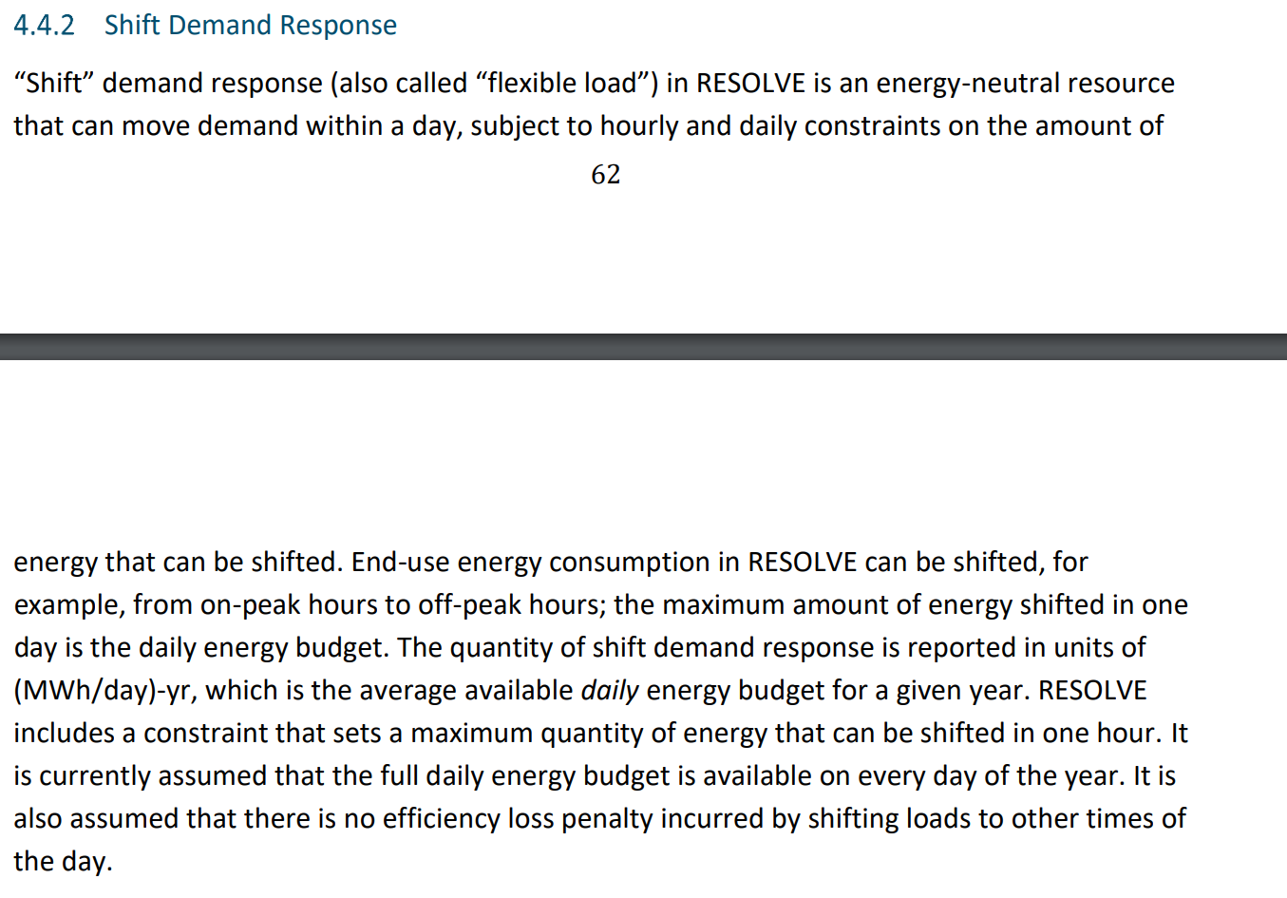

Also, in RESOLVE guidebook:

BAU Demand Response Capacity

Year | 2015 | 2016 | 2017 | 2018 | 2019 | 2020 | 2021 | 2022 | 2023 | 2024 | 2025 | 2026 | 2027 | 2028 | 2029 | 2030 | 2031 | 2032 | 2033 | 2034 | 2035 | 2036 | 2037 | 2038 | 2039 | 2040 | 2041 | 2042 | 2043 | 2044 | 2045 | 2046 | 2047 | 2048 | 2049 | 2050
DR Capacity (MW) | 1753 | 1753 | 1753 | 1753 | 1753 | 1753 | 1753 | 1753 | 1753 | 1753 | 1753 | 1753 | 1753 | 1753 | 1753 | 1753 | 1753 | 1753 | 1753 | 1753 | 1753 | 1753 | 1753 | 1753 | 1753 | 1753 | 1753 | 1753 | 1753 | 1753 | 1753 | 1753 | 1753 | 1753 | 1753 | 1753

2017 inputs
 | 162.5 | MW storage |  | From BAU Grid Storage

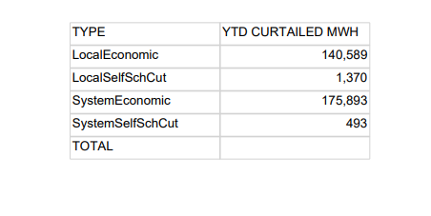
 |  |  |  |  |  |  | In GWh
 |  |  |  |  |  |  | 140.589
 |  |  |  |  |  |  | 1.37
 |  |  |  |  |  |  | 175.893
 |  |  |  |  |  |  | 0.493

 |  |  |  |  |  |  | 318.345 | Sum of curtailment in GWh

 | http://www.caiso.com/Documents/Wind_SolarReal-TimeDispatchCurtailmentReportDec31_2017.pdf

 | http://www.caiso.com/Documents/MonthlyRenewablesPerformanceReport-Dec2017.html

 | http://www.caiso.com/Documents/Agenda-Presentation-2017AnnualReportMarketIssues-Performance.pdf#search=annual%20report%202017

 | imputed level of renewables |  |  |  | 55153.7647 | GWh
 | calculated level of Flex Points Conusmed

 | Sum of curtailment in GWh |  |  |  | 318.345

 | Curtailment % |  |  |  | 0.005771954131

2017 estimate

Time (Year) | 2017
Flex Points Provided | 13768.27

Pumped hydro | 1599.2
Empirical value from EPS variable BAU Grid Battery Storage | 162.5
Peakers | 12087.82 |  | From start year capacities input data

IRP modeling- Resolve output
Portfolio Analytics
Note: All costs are expressed in 2016 dollars

Energy Storage Summary

 | Planned | Unit | 2020 | 2021 | 2022 | 2023 | 2024 | 2026 | 2030
 | Pumped_Hydro | MW | 1,599 | 1,599 | 1,599 | 1,599 | 1,599 | 1,599 | 1,599
 | Li_Battery | MW | 3,001 | 4,181 | 4,181 | 4,638 | 8,444 | 11,601 | 16,839
 | BTM_Li_Battery | MW | 92 | 92 | 92 | 92 | 92 | 92 | 92
 | Flow_Battery | MW | - | - | - | - | - | - | -
 | Pumped_Hydro | MWh | 252,821 | 252,821 | 252,821 | 252,821 | 252,821 | 252,821 | 252,821
 | Li_Battery | MWh | 2,914 | 3,966 | 4,261 | 4,631 | 4,852 | 4,852 | 4,852
 | BTM_Li_Battery | MWh | 230 | 230 | 230 | 230 | 230 | 230 | 230
 | Flow_Battery | MWh | - | - | - | - | - | - | -
 | Pumped_Hydro Duration | hr | 158 | 158 | 158 | 158 | 158 | 158 | 158
 | Li_Battery Duration | hr | 1 | 1 | 1 | 1 | 1 | 0 | 0
 | BTM_Li_Battery | hr | 3 | 3 | 3 | 3 | 3 | 3 | 3
 | Flow_Battery Duration | hr | - | - | - | - | - | - | -
 | Optimized Build - Incl. Local Storage | Unit
 | Pumped_Hydro | MW | - | - | - | - | - | - | -
 | Li_Battery | MW | 2,030 | 2,859 | 2,859 | 3,095 | 6,827 | 9,983 | 15,222
 | BTM_Li_Battery | MW | - | - | - | - | - | - | -
 | Flow_Battery | MW | - | - | - | - | - | - | -
 | Pumped_Hydro | MWh | - | - | - | - | - | - | -
 | Li_Battery | MWh | 8,119 | 11,437 | 11,437 | 12,379 | 27,306 | 39,934 | 57,037
 | BTM_Li_Battery | MWh | - | - | - | - | - | - | -
 | Flow_Battery | MWh | - | - | - | - | - | - | -
 | Pumped_Hydro Duration | hr | - | - | - | - | - | - | -
 | Li_Battery Duration | hr | - | - | - | - | - | - | -
 | BTM_Li_Battery | hr | - | - | - | - | - | - | -
 | Flow_Battery Duration | hr | - | - | - | - | - | - | -
 | Local Storage Build | Unit
 | Li_Battery | Pumped_Hydro | Average Storage Duration
2020 | 2,030 | - | 0.0
2021 | 2,859 | - | 0.0
2022 | 2,859 | - | 0.0
2023 | 3,095 | - | 0.0
2024 | 6,827 | - | 0.0
2026 | 9,983 | - | 0.0
2030 | 15,222 | - | 0.0
 | Pumped_Hydro | MW | - | - | - | - | - | - | -
 | Li_Battery | MW | - | - | - | - | - | - | -
 | BTM_Li_Battery | MW | - | - | - | - | - | - | -
 | Flow_Battery | MW | - | - | - | - | - | - | -
 | CAISO_New_Pumped_Storage | MWh | - | - | - | - | - | - | -
 | CAISO_New_Li_Battery | MWh | - | - | - | - | - | - | -
 | BTM_Li_Battery | MWh | - | - | - | - | - | - | -
 | CAISO_New_Flow_Battery | MWh | - | - | - | - | - | - | -
 | Pumped_Hydro Duration | hr | - | - | - | - | - | - | -
 | Li_Battery Duration | hr | - | - | - | - | - | - | -
 | BTM_Li_Battery | hr | - | - | - | - | - | - | -
 | Flow_Battery Duration | hr | - | - | - | - | - | - | -
 | Optimized Build - Excl. Local Storage | Unit
 | Pumped_Hydro | MW | - | - | - | - | - | - | -
 | Li_Battery | MW | 2,030 | 2,859 | 2,859 | 3,095 | 6,827 | 9,983 | 15,222
 | BTM_Li_Battery | MW | - | - | - | - | - | - | -
 | Flow_Battery | MW | - | - | - | - | - | - | -
 | Pumped_Hydro | MWh | - | - | - | - | - | - | -
 | Li_Battery | MWh | 8,119 | 11,437 | 11,437 | 12,379 | 27,306 | 39,934 | 57,037
 | BTM_Li_Battery | MWh | - | - | - | - | - | - | -
 | Flow_Battery | MWh | - | - | - | - | - | - | -
 | Pumped_Hydro Duration | hr | - | - | - | - | - | - | -
 | Li_Battery Duration | hr | - | - | - | - | - | - | -
 | BTM_Li_Battery | hr | - | - | - | - | - | - | -
 | Flow_Battery Duration | hr | - | - | - | - | - | - | -
 | Average Storage Duration - Optimized Build | hr | 0.0 | 0.0 | 0.0 | 0.0 | 0.0 | 0.0 | 0.0

Total Resources by Technology

 | Technology | Unit | 2020 | 2021 | 2022 | 2023 | 2024 | 2026 | 2030
 | CAISO_ST | MW | 4,577 | 2,289 | 2,289 | 2,289 | - | - | -
 | CAISO_CCGT1 | MW | 12,049 | 13,333 | 13,333 | 13,333 | 13,333 | 13,333 | 13,333
 | CAISO_CCGT2 | MW | 2,928 | 2,928 | 2,928 | 2,928 | 2,928 | 2,928 | 2,928
 | CAISO_Peaker1 | MW | 4,914 | 4,914 | 4,914 | 4,914 | 4,914 | 4,914 | 4,021
 | CAISO_Peaker2 | MW | 3,683 | 3,683 | 3,683 | 3,683 | 3,683 | 3,683 | 3,683
 | CAISO_Advanced_CCGT | MW | - | - | - | - | - | - | -
 | CAISO_Aero_CT | MW | - | - | - | - | - | - | -
 | CAISO_Reciprocating_Engine | MW | 255 | 255 | 255 | 255 | 255 | 255 | 255
 | CAISO_CHP | MW | 2,296 | 2,296 | 2,296 | 2,296 | 2,296 | 2,296 | 2,296
 | CAISO_Coal | MW | 480 | 480 | 480 | 480 | 480 | - | -
 | CAISO_Nuclear | MW | 2,935 | 2,935 | 2,935 | 2,935 | 1,785 | 635 | 635
 | Hydro | MW | 7,070 | 7,070 | 7,070 | 7,070 | 7,070 | 7,070 | 7,070
 | Hydro_NW_CAISO | MW | 2,852 | 2,852 | 2,852 | 2,852 | 2,852 | 2,852 | 2,852
 | CAISO_Conventional_DR | MW | - | - | - | - | - | - | -
 | Customer_PV | MW | 7,269 | 7,269 | 7,269 | 7,269 | 7,269 | 7,269 | 7,269
 | Solar | MW | 16,310 | 18,766 | 20,887 | 22,887 | 25,570 | 31,954 | 41,999
 | Geothermal | MW | 1,851 | 1,851 | 1,851 | 1,851 | 1,851 | 1,851 | 1,851
 | Biomass | MW | 903 | 903 | 903 | 903 | 903 | 903 | 901
 | Small_Hydro | MW | 974 | 974 | 974 | 974 | 974 | 974 | 974
 | Wind | MW | 7,357 | 7,490 | 9,879 | 10,066 | 10,666 | 10,766 | 12,131
 | Wind OOS New Tx | MW | - | - | - | - | - | - | 1,500
 | Offshore_Wind | MW | - | - | - | - | - | - | -
 | Pumped_Hydro | MW | 1,599 | 1,599 | 1,599 | 1,599 | 1,599 | 1,599 | 1,599
 | Li_Battery | MW | 3,001 | 4,181 | 4,181 | 4,638 | 8,444 | 11,601 | 16,839
 | BTM_Li_Battery | MW | 92 | 92 | 92 | 92 | 92 | 92 | 92
 | Flow_Battery | MW | - | - | - | - | - | - | -
 | Hydrogen_Electrolysis | MW | - | - | - | - | - | - | -
 | Flexible_Load | MW | - | - | - | - | - | - | -

Selected Resources by Technology

 | Technology | Unit | 2020 | 2021 | 2022 | 2023 | 2024 | 2026 | 2030
 | CAISO_ST | MW | - | - | - | - | - | - | -
 | CAISO_CCGT1 | MW | - | - | - | - | - | - | -
 | CAISO_CCGT2 | MW | - | - | - | - | - | - | -
 | CAISO_Peaker1 | MW | - | - | - | - | - | - | -
 | CAISO_Peaker2 | MW | - | - | - | - | - | - | -
 | CAISO_Advanced_CCGT | MW | - | - | - | - | - | - | -
 | CAISO_Aero_CT | MW | - | - | - | - | - | - | -
 | CAISO_Reciprocating_Engine | MW | - | - | - | - | - | - | -
 | CAISO_CHP | MW | - | - | - | - | - | - | -
 | CAISO_Coal | MW | - | - | - | - | - | - | -
 | CAISO_Nuclear | MW | - | - | - | - | - | - | -
 | Hydro | MW | - | - | - | - | - | - | -
 | Hydro_NW_CAISO | MW | - | - | - | - | - | - | -
 | CAISO_Conventional_DR | MW | - | - | - | - | - | - | -
 | Customer_PV | MW | - | - | - | - | - | - | -
 | Solar | MW | 2,000 | 4,000 | 6,000 | 8,000 | 10,683 | 17,066 | 27,111
 | Geothermal | MW | - | - | - | - | - | - | -
 | Biomass | MW | - | - | - | - | - | - | -
 | Small_Hydro | MW | - | - | - | - | - | - | -
 | Wind | MW | - | 34 | 2,422 | 2,609 | 3,209 | 3,309 | 4,675
 | Wind OOS New Tx | MW | - | - | - | - | - | - | 1,500
 | Offshore_Wind | MW | - | - | - | - | - | - | -
 | Pumped_Hydro | MW | - | - | - | - | - | - | -
 | Li_Battery | MW | - | - | - | - | - | - | -
 | BTM_Li_Battery | MW | - | - | - | - | - | - | -
 | Flow_Battery | MW | - | - | - | - | - | - | -
 | Hydrogen_Electrolysis | MW | - | - | - | - | - | - | -
 | Flexible_Load | MW | - | - | - | - | - | - | -

Baseline Resources by Technology

 | Technology | Unit | 2020 | 2021 | 2022 | 2023 | 2024 | 2026 | 2030
 | CAISO_ST | MW | 4,577 | 2,289 | 2,289 | 2,289 | - | - | -
 | CAISO_CCGT1 | MW | 12,049 | 13,333 | 13,333 | 13,333 | 13,333 | 13,333 | 13,333
 | CAISO_CCGT2 | MW | 2,928 | 2,928 | 2,928 | 2,928 | 2,928 | 2,928 | 2,928
 | CAISO_Peaker1 | MW | 4,914 | 4,914 | 4,914 | 4,914 | 4,914 | 4,914 | 4,021
 | CAISO_Peaker2 | MW | 3,683 | 3,683 | 3,683 | 3,683 | 3,683 | 3,683 | 3,683
 | CAISO_Advanced_CCGT | MW | - | - | - | - | - | - | -
 | CAISO_Aero_CT | MW | - | - | - | - | - | - | -
 | CAISO_Reciprocating_Engine | MW | 255 | 255 | 255 | 255 | 255 | 255 | 255
 | CAISO_CHP | MW | 2,296 | 2,296 | 2,296 | 2,296 | 2,296 | 2,296 | 2,296
 | CAISO_Coal | MW | 480 | 480 | 480 | 480 | 480 | - | -
 | CAISO_Nuclear | MW | 2,935 | 2,935 | 2,935 | 2,935 | 1,785 | 635 | 635
 | Hydro | MW | 7,070 | 7,070 | 7,070 | 7,070 | 7,070 | 7,070 | 7,070
 | Hydro_NW_CAISO | MW | 2,852 | 2,852 | 2,852 | 2,852 | 2,852 | 2,852 | 2,852
 | CAISO_Conventional_DR | MW | - | - | - | - | - | - | -
 | Customer_PV | MW | 7,269 | 7,269 | 7,269 | 7,269 | 7,269 | 7,269 | 7,269
 | Solar | MW | 14,310 | 14,766 | 14,887 | 14,887 | 14,887 | 14,887 | 14,887
 | Geothermal | MW | 1,851 | 1,851 | 1,851 | 1,851 | 1,851 | 1,851 | 1,851
 | Biomass | MW | 903 | 903 | 903 | 903 | 903 | 903 | 901
 | Small_Hydro | MW | 974 | 974 | 974 | 974 | 974 | 974 | 974
 | Wind | MW | 7,357 | 7,456 | 7,456 | 7,456 | 7,456 | 7,456 | 7,456
 | Wind OOS New Tx | MW | - | - | - | - | - | - | -
 | Offshore_Wind | MW | - | - | - | - | - | - | -
 | Pumped_Hydro | MW | 1,599 | 1,599 | 1,599 | 1,599 | 1,599 | 1,599 | 1,599
 | Li_Battery | MW | 3,001 | 4,181 | 4,181 | 4,638 | 8,444 | 11,601 | 16,839
 | BTM_Li_Battery | MW | 92 | 92 | 92 | 92 | 92 | 92 | 92
 | Flow_Battery | MW | - | - | - | - | - | - | -
 | Hydrogen_Electrolysis | MW | - | - | - | - | - | - | -
 | Flexible_Load | MW | - | - | - | - | - | - | -

CAISO Energy Balance

 | Note: this rolls up all resources balanced in the CAISO zone, including resources that are contracted to other zones, e.g. BANC.
 | It does not include resources that are contracted to CAISO but balanced in another zone, except Hydro NW CAISO

 | Technology | Unit | 2020 | 2021 | 2022 | 2023 | 2024 | 2026 | 2030
 | CAISO_ST | GWh | - | - | - | - | - | - | -
 | CAISO_CCGT1 | GWh | 57,400 | 58,654 | 52,669 | 51,010 | 55,661 | 59,813 | 48,894
 | CAISO_CCGT2 | GWh | 120 | 44 | 41 | 57 | - | - | -
 | CAISO_Peaker1 | GWh | 991 | 818 | 947 | 1,031 | 480 | 184 | 23
 | CAISO_Peaker2 | GWh | - | - | - | - | - | - | -
 | CAISO_Advanced_CCGT | GWh | - | - | - | - | - | - | -
 | CAISO_Aero_CT | GWh | - | - | - | - | - | - | -
 | CAISO_Reciprocating_Engine | GWh | 71 | 57 | 73 | 75 | 36 | 34 | 35
 | CAISO_CHP | GWh | 10,881 | 10,881 | 10,881 | 10,881 | 10,881 | 10,881 | 10,881
 | CAISO_Coal | GWh | 1,804 | 1,337 | 820 | 673 | 696 | - | -
 | CAISO_Nuclear | GWh | 23,611 | 23,611 | 23,611 | 23,611 | 14,360 | 5,108 | 5,108
 | Hydro | GWh | 18,670 | 18,670 | 18,670 | 18,670 | 18,670 | 18,670 | 18,668
 | Hydro_NW_CAISO | GWh | 10,595 | 10,740 | 10,703 | 10,770 | 10,830 | 11,424 | 11,246
 | CAISO_Conventional_DR | GWh | - | - | - | - | - | - | -
 | Customer_PV | GWh | 13,783 | 13,783 | 13,783 | 13,783 | 13,783 | 13,783 | 13,783
 | Solar | GWh | 41,061 | 47,812 | 53,673 | 58,953 | 66,325 | 83,161 | 107,011
 | Geothermal | GWh | 13,042 | 13,042 | 13,042 | 13,042 | 13,042 | 13,042 | 13,042
 | Biomass | GWh | 6,778 | 6,778 | 6,778 | 6,778 | 6,778 | 6,778 | 6,764
 | Small_Hydro | GWh | 4,327 | 4,327 | 4,327 | 4,327 | 4,327 | 4,327 | 4,327
 | Wind | GWh | 18,285 | 18,603 | 24,808 | 25,233 | 27,199 | 27,387 | 30,235
 | Wind OOS New Tx | GWh | - | - | - | - | - | - | 5,745
 | Offshore_Wind | GWh | - | - | - | - | - | - | -
 | Pumped_Hydro | GWh | (197) | (260) | (327) | (386) | (365) | (482) | (950)
 | Li_Battery | GWh | (485) | (763) | (835) | (995) | (1,826) | (2,873) | (4,410)
 | BTM_Li_Battery | GWh | (12) | (13) | (13) | (14) | (12) | (15) | (17)
 | Flow_Battery | GWh | - | - | - | - | - | - | -
 | Imports (unspecified) | GWh | 27,264 | 24,657 | 25,593 | 27,162 | 27,391 | 25,578 | 21,387
 | Exports | GWh | (944) | (994) | (2,102) | (2,547) | (2,219) | (3,142) | (5,274)
 | Total Curtailment | GWh | (289) | (394) | (757) | (1,199) | (708) | (1,533) | (5,588)
 | Load (incl. flex EVs and hydrogen load) | GWh | 246,572 | 251,245 | 256,396 | 261,203 | 265,406 | 272,864 | 285,083
 | Supply-Side Load | GWh | 232,777 | 237,450 | 242,600 | 247,406 | 251,611 | 259,066 | 271,283
 | Hydrogen_Electrolysis (part of load) | GWh | - | - | - | - | - | - | -
 | Net Imports | GWh | 26,320 | 23,663 | 23,491 | 24,615 | 25,172 | 22,436 | 16,113
 | Load Plus Exports | GWh | 247,517 | 252,239 | 258,498 | 263,750 | 267,625 | 276,006 | 290,356
 | Sum of Supply | GWh | 247,044 | 251,783 | 257,140 | 262,112 | 266,035 | 273,658 | 286,497
 | Sub-Hourly Imbalance | GWh | 297 | 314 | 332 | 349 | 366 | 401 | 470
 | Pipeline Biogas Generation (included in gas generation above) | GWh | - | - | - | - | - | - | -

 | Aggregated Energy Balance
 | CHP | GWh | 10,881 | 10,881 | 10,881 | 10,881 | 10,881 | 10,881 | 10,881
 | Nuclear | GWh | 23,611 | 23,611 | 23,611 | 23,611 | 14,360 | 5,108 | 5,108
 | Hydro | GWh | 18,670 | 18,670 | 18,670 | 18,670 | 18,670 | 18,670 | 18,668
 | Hydro_NW_CAISO | GWh | 10,595 | 10,740 | 10,703 | 10,770 | 10,830 | 11,424 | 11,246
 | Gas | GWh | 58,582 | 59,573 | 53,729 | 52,172 | 56,177 | 60,032 | 48,952
 | Coal | GWh | 1,804 | 1,337 | 820 | 673 | 696 | - | -
 | Pipeline Biogas | GWh | - | - | - | - | - | - | -
 | Renewables | GWh | 97,275 | 104,344 | 116,411 | 122,115 | 131,453 | 148,477 | 180,905
 | Storage Losses | GWh | (694) | (1,036) | (1,175) | (1,396) | (2,203) | (3,370) | (5,377)
 | Curtailment | GWh | (289) | (394) | (757) | (1,199) | (708) | (1,533) | (5,588)
 | Imports (unspecified) | GWh | 27,264 | 24,657 | 25,593 | 27,162 | 27,391 | 25,578 | 21,387
 | Exports | GWh | (944) | (994) | (2,102) | (2,547) | (2,219) | (3,142) | (5,274)
 | Load | GWh | 246,572 | 251,245 | 256,396 | 261,203 | 265,406 | 272,864 | 285,083
 |  |  |  |  |  |  |  |  | -6.1%
 | Hourly and Sub-Hourly Generation Breakdown
 | Technology | Unit | 2020 | 2021 | 2022 | 2023 | 2024 | 2026 | 2030
 | CAISO_CCGT1 | GWh | 57,027 | 58,100 | 52,256 | 50,661 | 55,188 | 59,459 | 48,743
 | CAISO_CCGT2 | GWh | 122 | 45 | 42 | 58 | - | - | -
 | CAISO_Peaker1 | GWh | 883 | 727 | 828 | 914 | 425 | 168 | 21
 | CAISO_Peaker2 | GWh | - | - | - | - | - | - | -
 | CAISO_Advanced_CCGT | GWh | - | - | - | - | - | - | -
 | CAISO_Aero_CT | GWh | - | - | - | - | - | - | -
 | CAISO_Reciprocating_Engine | GWh | 39 | 33 | 42 | 43 | 23 | 22 | 20
 | CAISO_ST | GWh | - | - | - | - | - | - | -
 | Li_Battery | GWh | 232 | 266 | (29) | (269) | (642) | (2,191) | (4,880)
 | BTM_Li_Battery | GWh | (12) | (13) | (13) | (14) | (12) | (15) | (17)
 | Flow_Battery | GWh | - | - | - | - | - | - | -
 | Pumped_Hydro | GWh | (117) | (253) | (354) | (438) | (457) | (604) | (1,299)
 | Hydro | GWh | 17,913 | 17,764 | 17,707 | 17,583 | 17,488 | 17,698 | 18,241
 | CAISO_CCGT1 | GWh | 373 | 554 | 413 | 349 | 472 | 354 | 151
 | CAISO_CCGT2 | GWh | (2) | (1) | (1) | (1) | - | - | -
 | CAISO_Peaker1 | GWh | 109 | 91 | 119 | 118 | 55 | 17 | 2
 | CAISO_Peaker2 | GWh | - | - | - | - | - | - | -
 | CAISO_Advanced_CCGT | GWh | - | - | - | - | - | - | -
 | CAISO_Aero_CT | GWh | - | - | - | - | - | - | -
 | CAISO_Reciprocating_Engine | GWh | 31 | 24 | 31 | 32 | 13 | 11 | 15
 | CAISO_ST | GWh | - | - | - | - | - | - | -
 | Li_Battery | GWh | (717) | (1,029) | (806) | (727) | (1,184) | (682) | 471
 | BTM_Li_Battery | GWh | - | - | - | - | - | - | -
 | Flow_Battery | GWh | - | - | - | - | - | - | -
 | Pumped_Hydro | GWh | (80) | (7) | 27 | 51 | 92 | 122 | 349
 | Hydro | GWh | 757 | 906 | 962 | 1,087 | 1,182 | 972 | 427
 | Subhourly Renewable Curtailment | GWh | (174) | (223) | (413) | (560) | (263) | (393) | (944)

 | Wind and Solar Generation and Curtailment
 | Technology | Unit | 2020 | 2021 | 2022 | 2023 | 2024 | 2026 | 2030
 | Solar - Utility Scale Generation Potential (pre-curtailment) | GWh | 41,227 | 48,056 | 54,130 | 59,728 | 66,764 | 84,320 | 111,255
 | Solar - Utility Scale Hourly Curtailment | GWh | (46) | (84) | (175) | (384) | (253) | (863) | (3,537)
 | Solar - Utility Scale Sub-Hourly Curtailment | GWh | (121) | (161) | (282) | (392) | (187) | (296) | (707)
 | Solar - Utility Scale Generation (post-curtailment) | GWh | 41,061 | 47,812 | 53,673 | 58,953 | 66,325 | 83,161 | 107,011
 | Wind Generation Potential (pre-curtailment) | GWh | 18,408 | 18,752 | 25,109 | 25,656 | 27,468 | 27,761 | 37,324
 | Wind Hourly Curtailment | GWh | (69) | (87) | (170) | (255) | (192) | (277) | (1,107)
...

